12 Dec @ 16.26
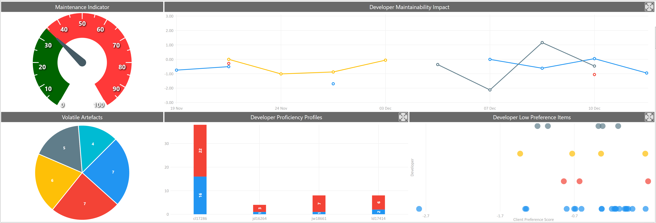

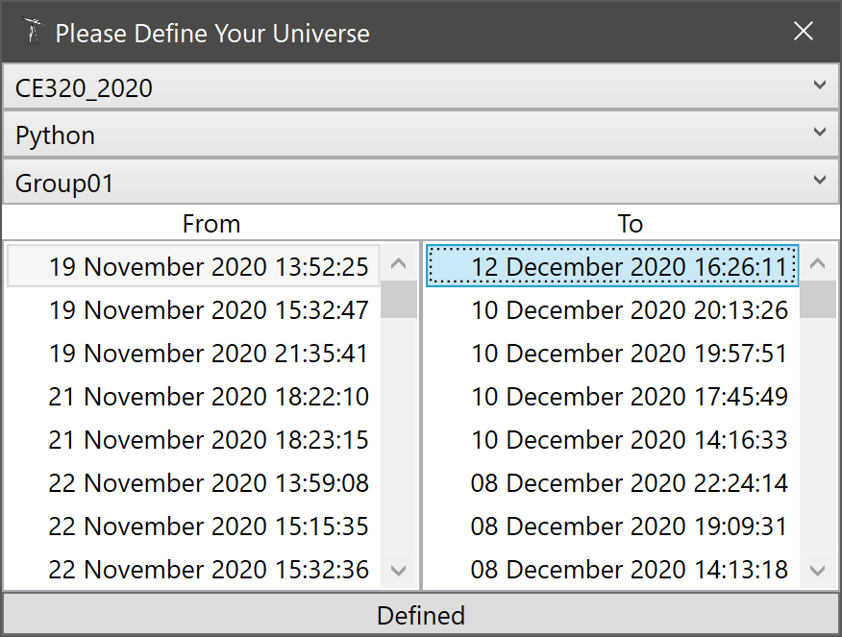
10 Worst Client Preference Scores
Artefact | CPS
Group01\trunk\PasswordManager_function.py.functions.RandomPassWordGen | -2.0557348142
Group01\trunk\PasswordManager_main.py.PasswordManager_main.create_account | -1.5034620644
Group01\trunk\PasswordManager_menu.py.TabAccounts.openFile | -0.80339127235
Group01\trunk\PasswordManager_function.py.functions.SecurityQuestions | -0.78842178323
Group01\trunk\PasswordManager_menu.py.PasswordManagerMenu.__init__ | -0.70207105528
Group01\trunk\PasswordManager_function.py.functions.PassStrengthCheck | -0.69584741302
Group01\trunk\PasswordManager_function.py.functions.RandomPassWordGen_UI | -0.63956763227
Group01\trunk\PasswordManager_main.py.PasswordManager_main.create_account_UI | -0.57623927338
Group01\trunk\PasswordManager_main.py.PasswordManager_main.login_check | -0.32559374758
Group01\trunk\PasswordManager_menu.py.TabSecurityQuestion.__init__ | -0.26569653748

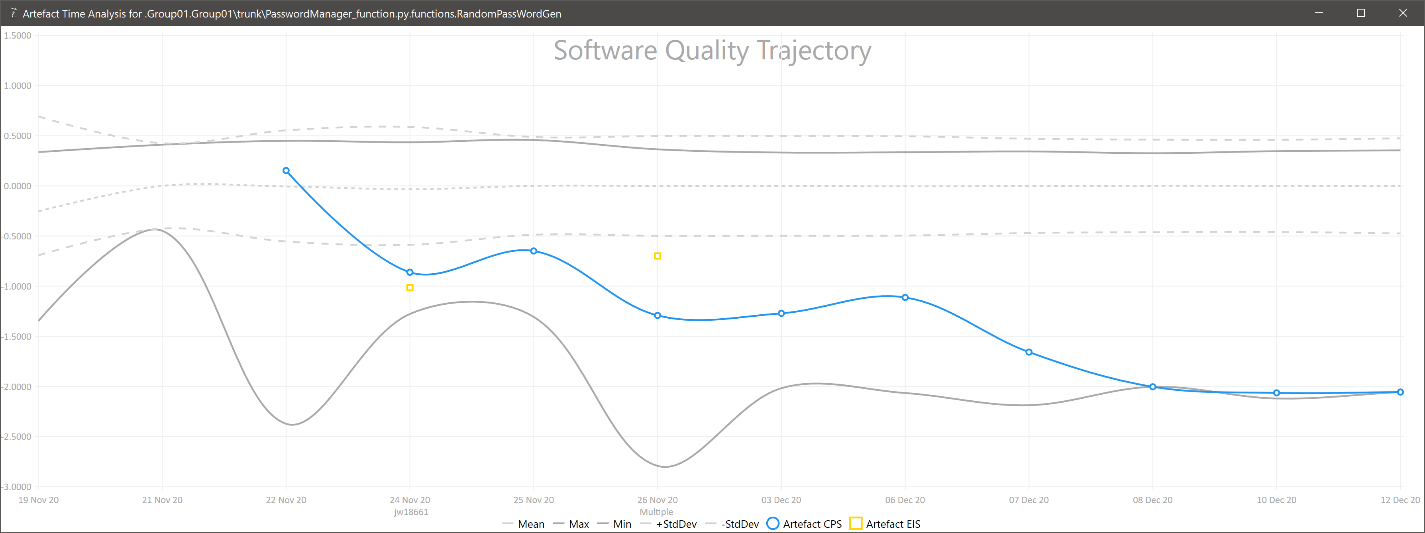

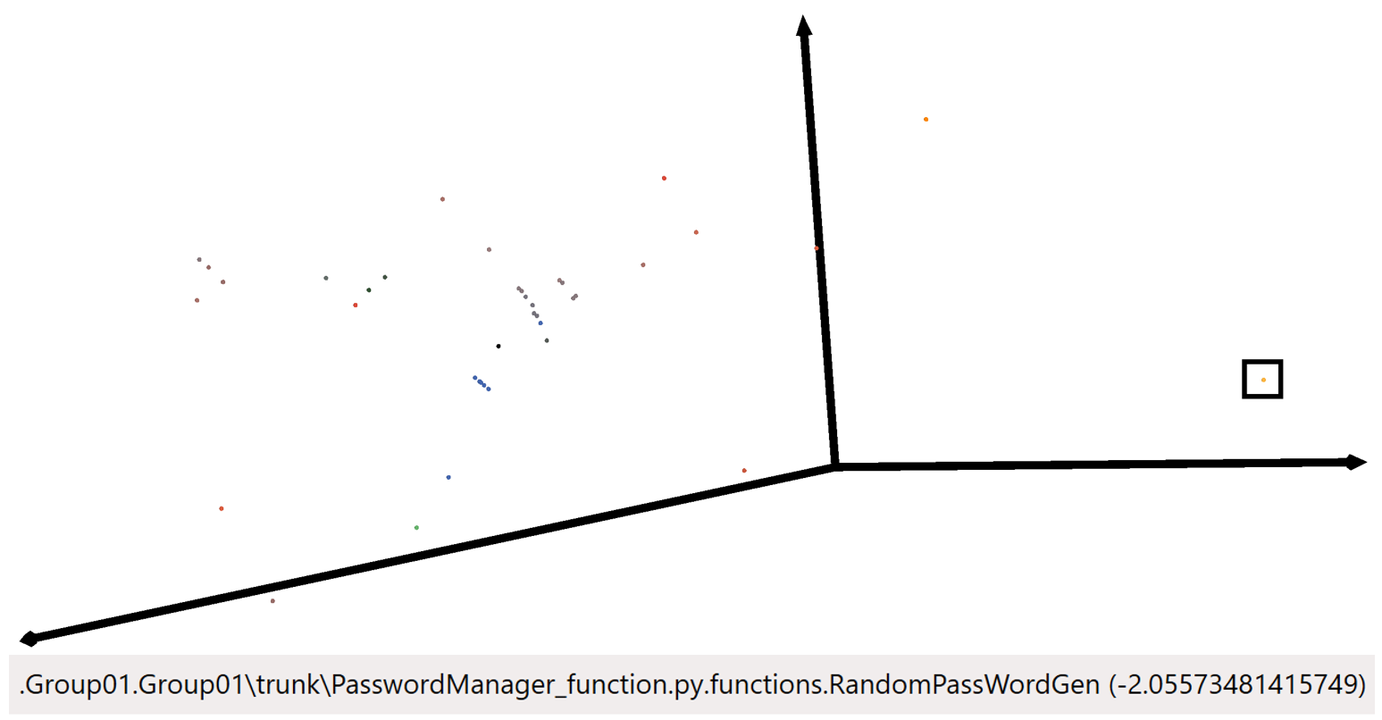
Effective Improvement Scores Since Last Report |  |  |  | Star Chart
Artefact | EIS | By | On
Group01\trunk\PasswordManager_function.py.functions.SecurityQuestions | -1.0730320372 | jd16264 | 19:57
Group01\trunk\PasswordManager_menu.py.TabAccounts.retranslateUi | -1.0069759778 | ld17414 | 11:20
Group01\trunk\PasswordManager_menu.py.TabAccounts.__init__ | -0.93021692257 | ld17414 | 16:26
Group01\trunk\PasswordManager_menu.py.TabAccounts.openFile | -0.63000025278 | cl17286 | 16:26
Group01\trunk\PasswordManager_menu.py.TabAccounts.__init__ | -0.46786754704 | ld17414 | 17:45
Group01\trunk\PasswordManager_menu.py.PasswordManagerMenu.__init__ | -0.36381396159 | ld17414 | 17:41
Group01\trunk\PasswordManager_menu.py.PasswordManagerMenu.__init__ | -0.32638756803 | cl17286 | 16:26
Group01\trunk\PasswordManager_main.py.PasswordManager_main.get_last_id | -0.31963889883 | cl17286 | 14:02
Group01\trunk\PasswordManager_menu.py.Login.__init__ | -0.24995709198 | cl17286 | 01:43
Group01\trunk\PasswordManager_menu.py.TabAccounts.retranslateUi | -0.18854196828 | ld17414 | 16:26
Group01\trunk\PasswordManager_menu.py.PasswordManagerMenu.__init__ | -0.11371662032 | cl17286 | 14:16
Group01\trunk\PasswordManager_menu.py.Login.login | -0.039934626505 | cl17286 | 22:24
Group01\trunk\PasswordManager_menu.py.PasswordManagerMenu.__init__ | -0.02277236532 | cl17286 | 01:43
Group01\trunk\PasswordManager_menu.py.TabAccounts.initUI | -0.019527095712 | cl17286 | 14:16
Group01\trunk\PasswordManager_main.py.PasswordManager_main.login_check | -0.018512978113 | ld17414 | 19:09
Group01\trunk\PasswordManager_function.py.functions.main | -0.0078669381132 | jd16264 | 19:57
Group01\trunk\PasswordManager_menu.py.PasswordManagerMenu.__init__ | -0.0057517529766 | cl17286 | 22:49
Group01\trunk\PasswordManager_menu.py.TabAccounts.__init__ | 0.0057307875878 | cl17286 | 16:26
Group01\trunk\PasswordManager_main.py.PasswordManager_main.login_check | 0.012266328572 | cl17286 | 13:47
Group01\trunk\PasswordManager_main.py.PasswordManager_main.login_check | 0.014384647761 | cl17286 | 14:16
Group01\trunk\PasswordManager_menu.py.Login.login | 0.016623432102 | ld17414 | 19:09
Group01\trunk\PasswordManager_function.py.functions.SecurityQuestions | 0.022354909515 | jd16264 | 20:13
Group01\trunk\PasswordManager_menu.py.TabNewPassword.__init__ | 0.16366713021 | cl17286 | 14:16
Group01\trunk\PasswordManager_menu.py.TabAccounts.__init__ | 1.16201103 | ld17414 | 19:09

03 Dec @ 13.17
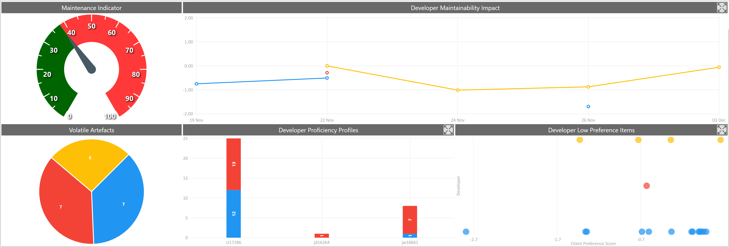

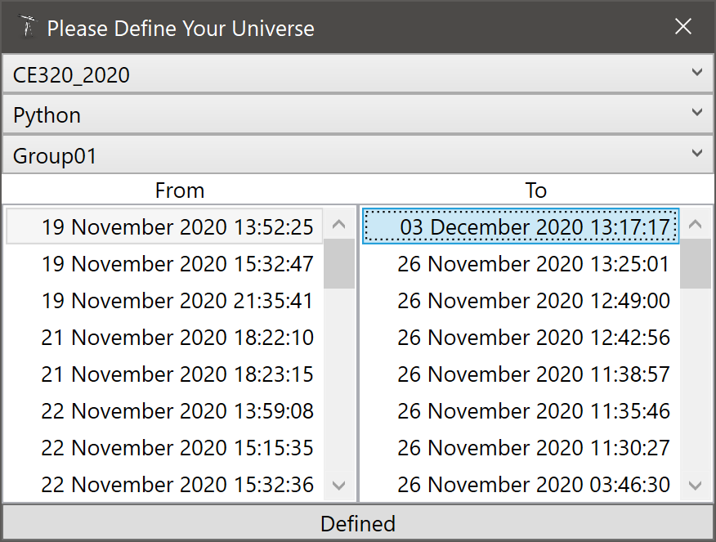
10 Worst Client Preference Scores
Artefact | CPS
Group01\trunk\PasswordManager_main.py.on_startup.start | -2.0174839371
Group01\trunk\PasswordManager_function.py.functions.RandomPassWordGen | -1.2706797672
Group01\trunk\PasswordManager_main.py.on_startup.create_account | -0.70018262075
Group01\trunk\PasswordManager_main.py.on_startup.check_username | -0.56136536859
Group01\trunk\PasswordManager_function.py.functions.RandomPassWordGen_UI | -0.43318771714
Group01\trunk\PasswordManager_main.py.on_startup.create_account_UI | -0.38552347641
Group01\trunk\PasswordManagerWindow.py.Ui_PasswordManagerWindow.setupUi | -0.32776358969
Group01\trunk\PasswordManager_menu.py.TabNewPassword.__init__ | -0.10610460799
Group01\trunk\PasswordManager_menu.py.TabSecurityQuestion.__init__ | -0.07938382642
Group01\trunk\PasswordManager_menu.py.TabChangePassword.__init__ | -0.013226069795

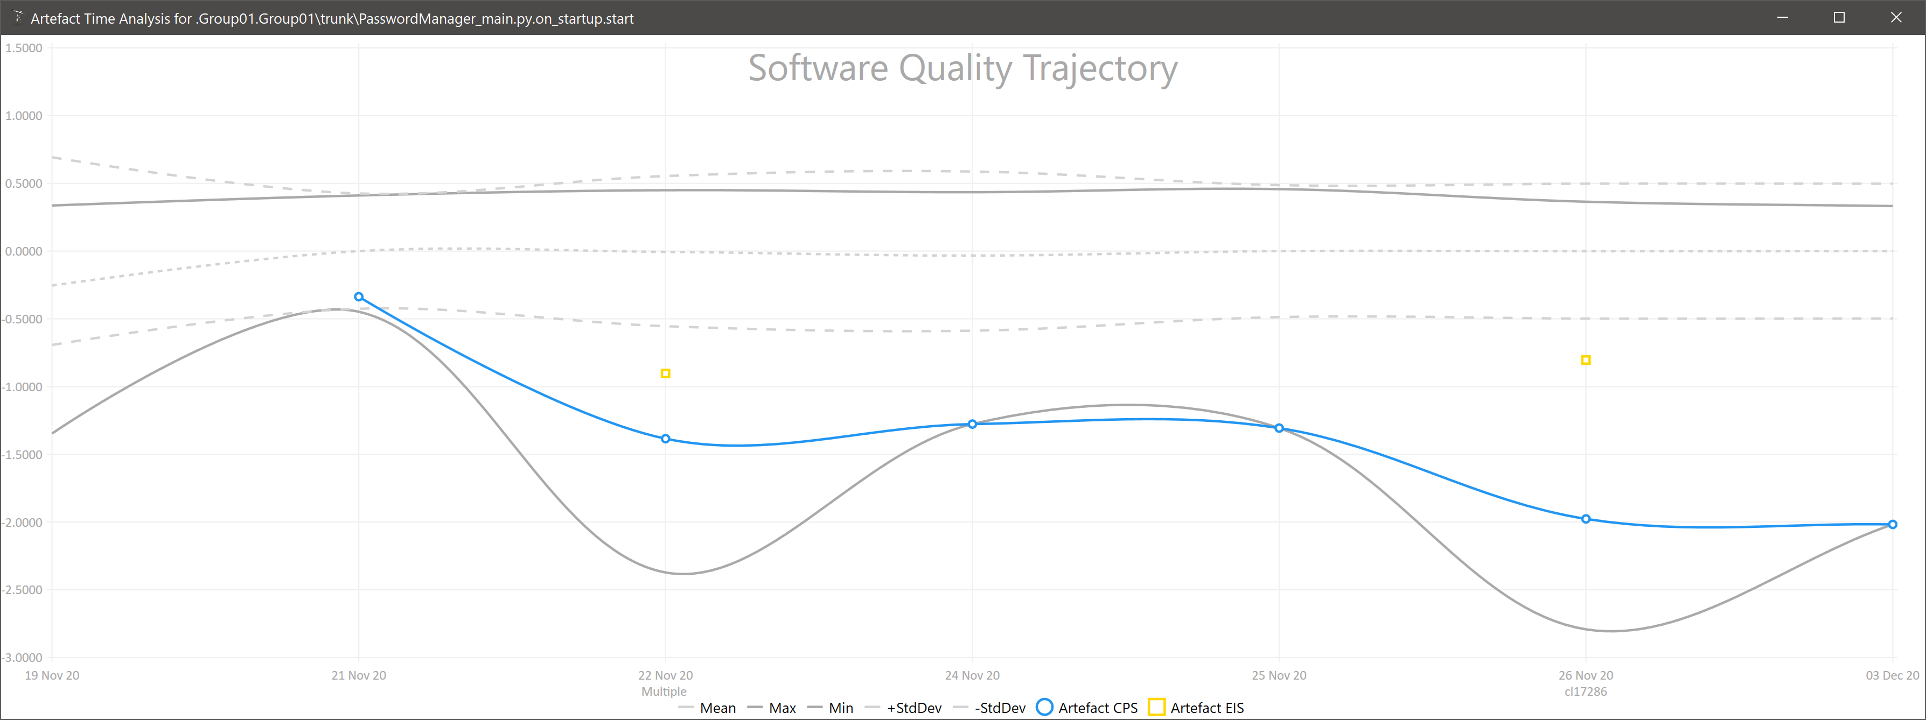

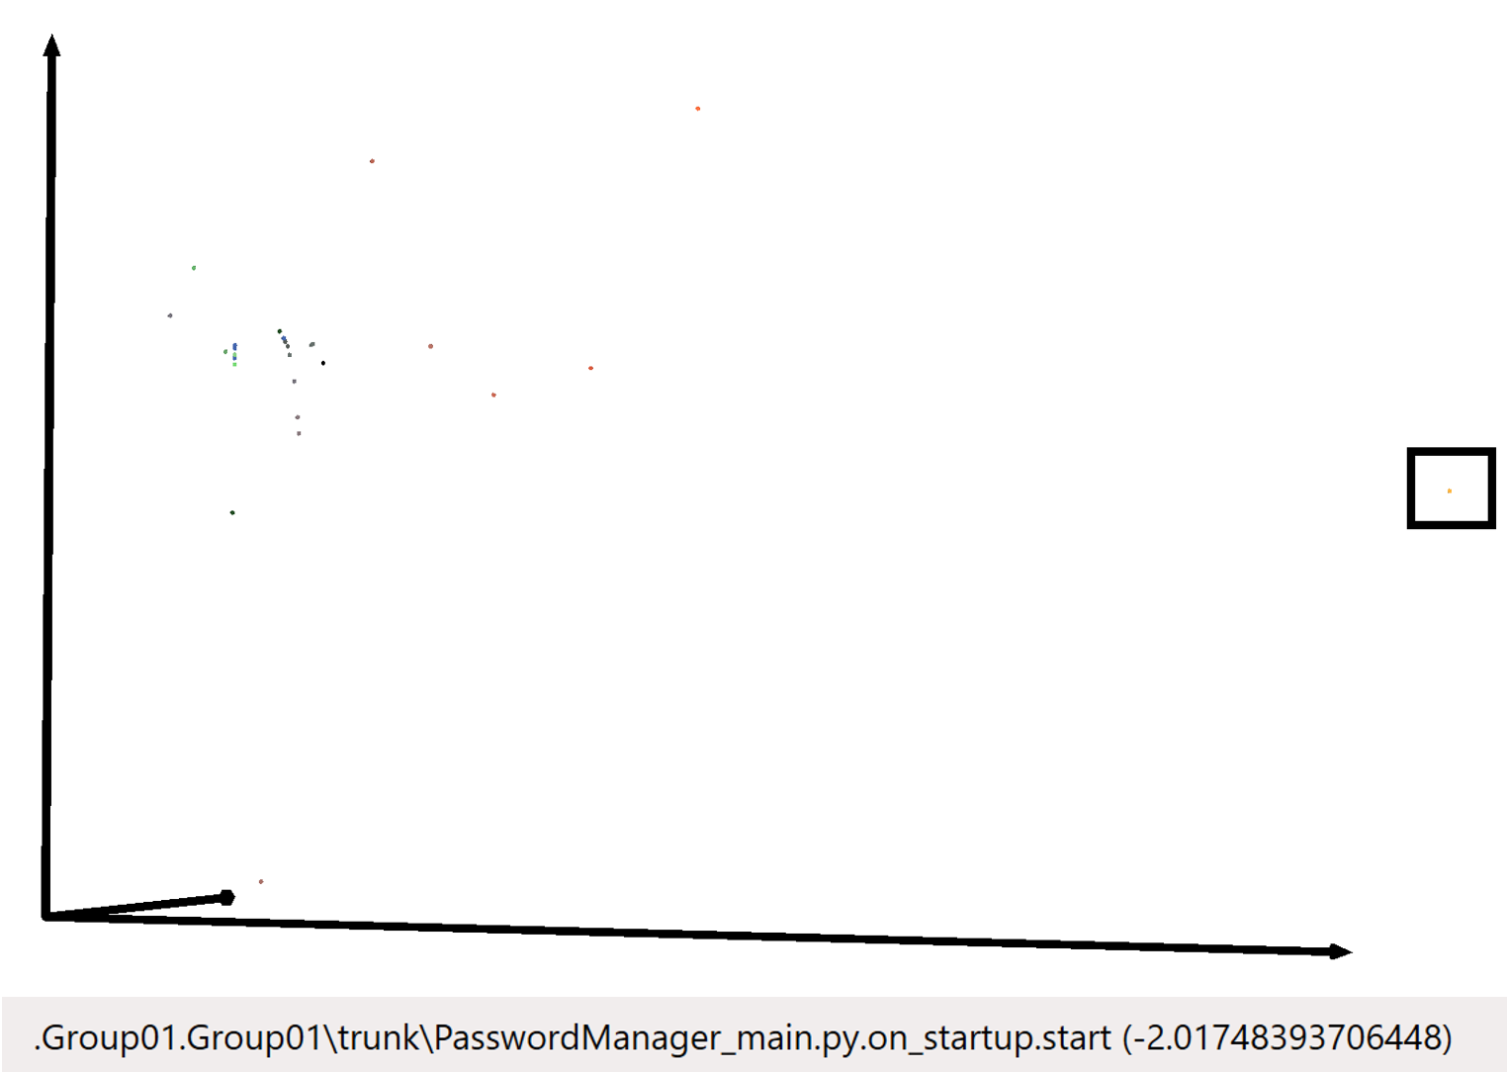
Effective Improvement Scores Since Last Report |  |  |  | Star Chart
Artefact | EIS | By | On
Group01\trunk\PasswordManager_function.py.functions.main | -0.060490118811 | jw18661 | 13:17

26 Nov @ 13.25
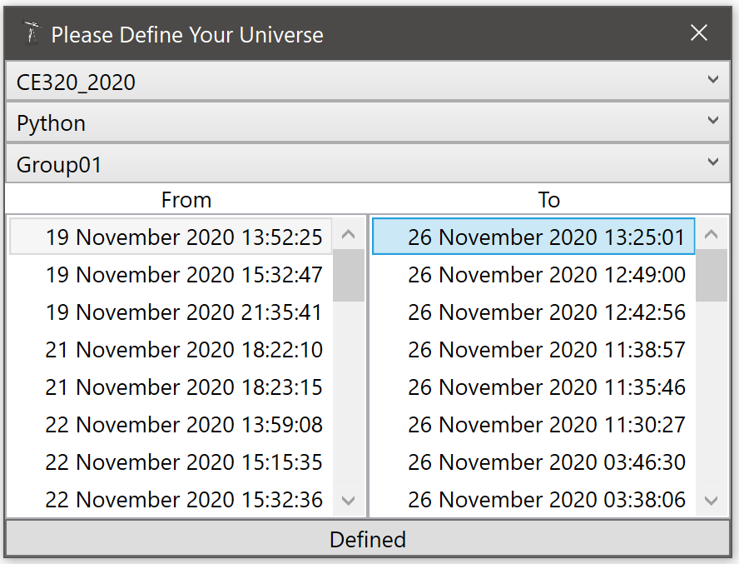
10 Worst Client Preference Scores
Artefact | CPS
.Group01\trunk\PasswordManager_main.py.on_startup.start | -1.9768390206
.Group01\trunk\PasswordManager_function.py.functions.RandomPassWordGen | -1.2917078487
.Group01\trunk\PasswordManager_main.py.on_startup.create_account | -0.69117906174
.Group01\trunk\PasswordManager_main.py.on_startup.check_username | -0.55502195839
.Group01\trunk\PasswordManager_main.py.on_startup.create_account_UI | -0.38436938968
.Group01\trunk\PasswordManagerWindow.py.Ui_PasswordManagerWindow.setupUi | -0.32715435583
.Group01\trunk\PasswordManager_menu.py.TabNewPassword.__init__ | -0.1102196294
.Group01\trunk\PasswordManager_menu.py.TabSecurityQuestion.__init__ | -0.084231199543
.Group01\trunk\PasswordManager_menu.py.PasswordManagerMenu.__init__ | -0.051084094652
.Group01\trunk\PasswordManager_menu.py.TabChangePassword.__init__ | -0.01995693277

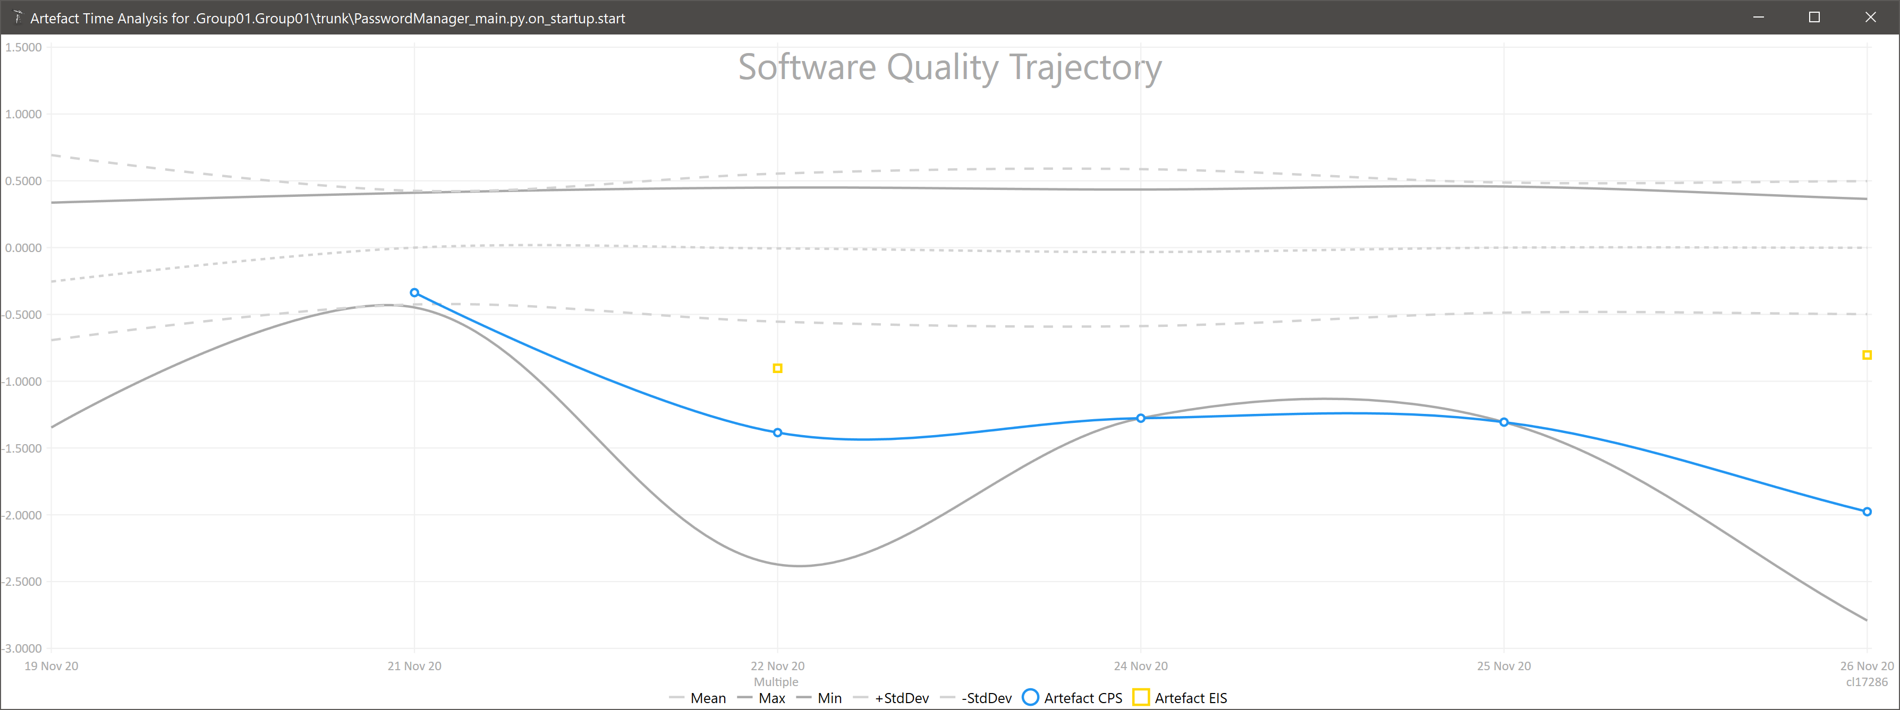

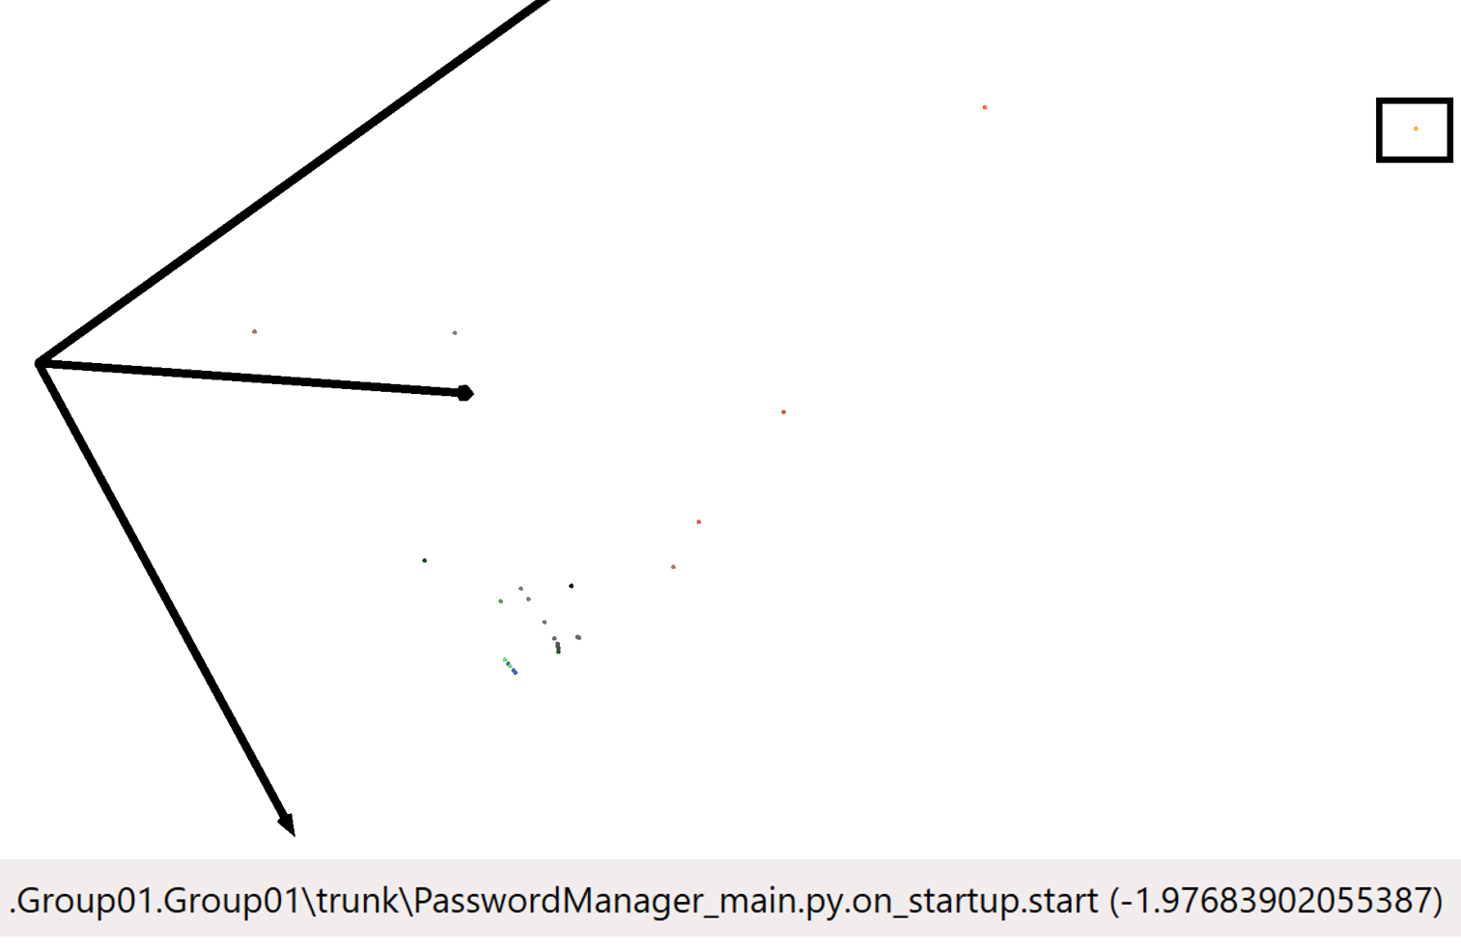
Effective Improvement Scores Since Last Report |  |  |  | Star Chart
Artefact | EIS | By | On
.Group01\trunk\PasswordManager_main.py.on_startup.start | -1.4963945154 | cl17286 | 03:38
.Group01\trunk\PasswordManager_function.py.functions.RandomPassWordGen | -1.0143845814 | jw18661 | 19:40
.Group01\trunk\PasswordManager_main.py.on_startup.start | -0.96898506229 | cl17286 | 17:26
.Group01\trunk\PasswordManager_function.py.functions.RandomPassWordGen | -0.56554258434 | jw18661 | 11:30
.Group01\trunk\PasswordManager_menu.py.TabNewPassword.__init__ | -0.36113628665 | cl17286 | 03:38
.Group01\trunk\PasswordManager_menu.py.TabChangePassword.__init__ | -0.32236056717 | cl17286 | 03:38
.Group01\trunk\PasswordManager_main.py.on_startup.start | -0.28971163022 | jd16264 | 15:15
.Group01\trunk\PasswordManager_main.py.on_startup.username_checker | -0.27843408741 | cl17286 | 03:38
.Group01\trunk\PasswordManager_function.py.functions.RandomPassWordGen | -0.2717422537 | jw18661 | 12:42
.Group01\trunk\PasswordManager_main.py.on_startup.main | -0.24687825275 | cl17286 | 02:23
.Group01\trunk\PasswordManager_main.py.on_startup.main | -0.11996102036 | cl17286 | 15:38
.Group01\trunk\PasswordManager_main.py.on_startup.main | -0.11965092006 | cl17286 | 19:37
.Group01\trunk\PasswordManager_main.py.on_startup.create_account | -0.10516276065 | jw18661 | 12:42
.Group01\trunk\PasswordManager_main.py.on_startup.create_account_db | -0.085853249948 | cl17286 | 03:38
.Group01\trunk\PasswordManager_main.py.on_startup.check_username | -0.072904675301 | cl17286 | 02:23
.Group01\trunk\PasswordManager_main.py.on_startup.check_username | -0.016370193717 | cl17286 | 11:35
.Group01\trunk\PasswordManager_main.py.on_startup.create_account | -0.0054588518706 | jw18661 | 13:25
.Group01\trunk\PasswordManager_menu.py.TabSecurityQuestion.__init__ | -0.0054139050952 | cl17286 | 11:38
.Group01\trunk\PasswordManager_main.py.on_startup.start | -0.0035074226731 | jw18661 | 13:59
.Group01\trunk\PasswordManager_main.py.on_startup.create_account_UI | 0.0070320138476 | cl17286 | 02:23
.Group01\trunk\PasswordManager_main.py.on_startup.start | 0.010652206489 | cl17286 | 02:23
.Group01\trunk\PasswordManager_main.py.on_startup.create_account | 0.043137736309 | cl17286 | 12:49
.Group01\trunk\PasswordManager_menu.py.PasswordManagerMenu.__init__ | 0.063365052075 | cl17286 | 03:38
.Group01\trunk\PasswordManager_function.py.functions.RandomPassWordGen | 0.068634419799 | cl17286 | 12:49
.Group01\trunk\PasswordManager_function.py.functions.RandomPassWordGen | 0.070032019999 | jw18661 | 13:25
.Group01\trunk\PasswordManager_main.py.on_startup.main | 0.087689540706 | cl17286 | 17:26
.Group01\trunk\PasswordManager_main.py.on_startup.main | 0.15231197979 | cl17286 | 03:38
.Group01\trunk\PasswordManager_main.py.on_startup.main | 0.15979390695 | cl17286 | 03:46
.Group01\trunk\PasswordManager_main.py.on_startup.main | 0.25223295316 | cl17286 | 19:47
.Group01\trunk\PasswordManager_main.py.on_startup.start | 0.35889482596 | cl17286 | 19:37
.Group01\trunk\PasswordManager_main.py.on_startup.start | 0.68196002055 | cl17286 | 03:46

20 Nov @ 18.17
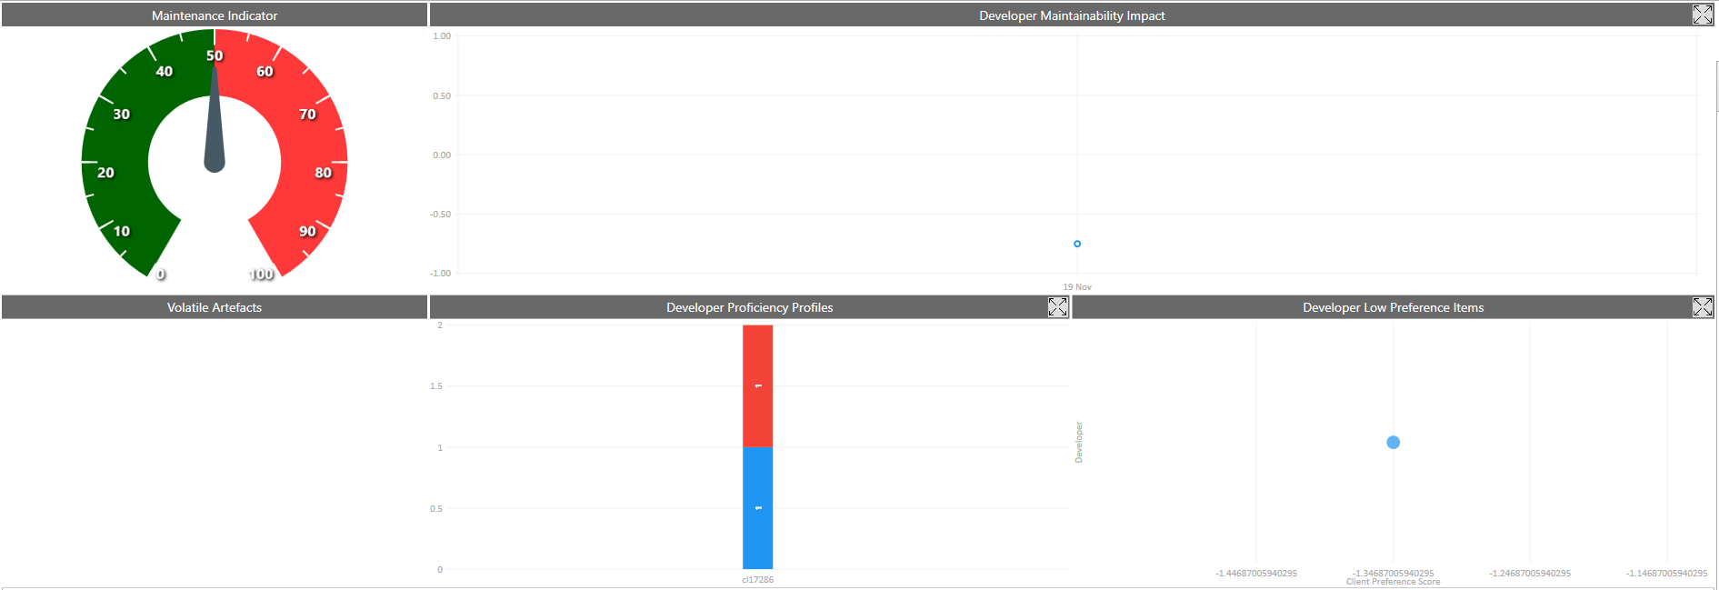

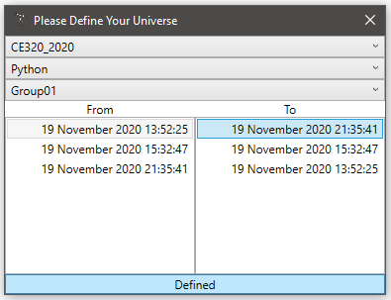
10 Worst Client Preference Scores
Artefact | CPS
.Group01.Group01\trunk\Password Manager Main\PasswordManager_main.py.on_startup.start | -0.85246965574
.Group01.Group01\trunk\Password Manager Main\PasswordManager_main.py.on_startup.main | 0.33671751485

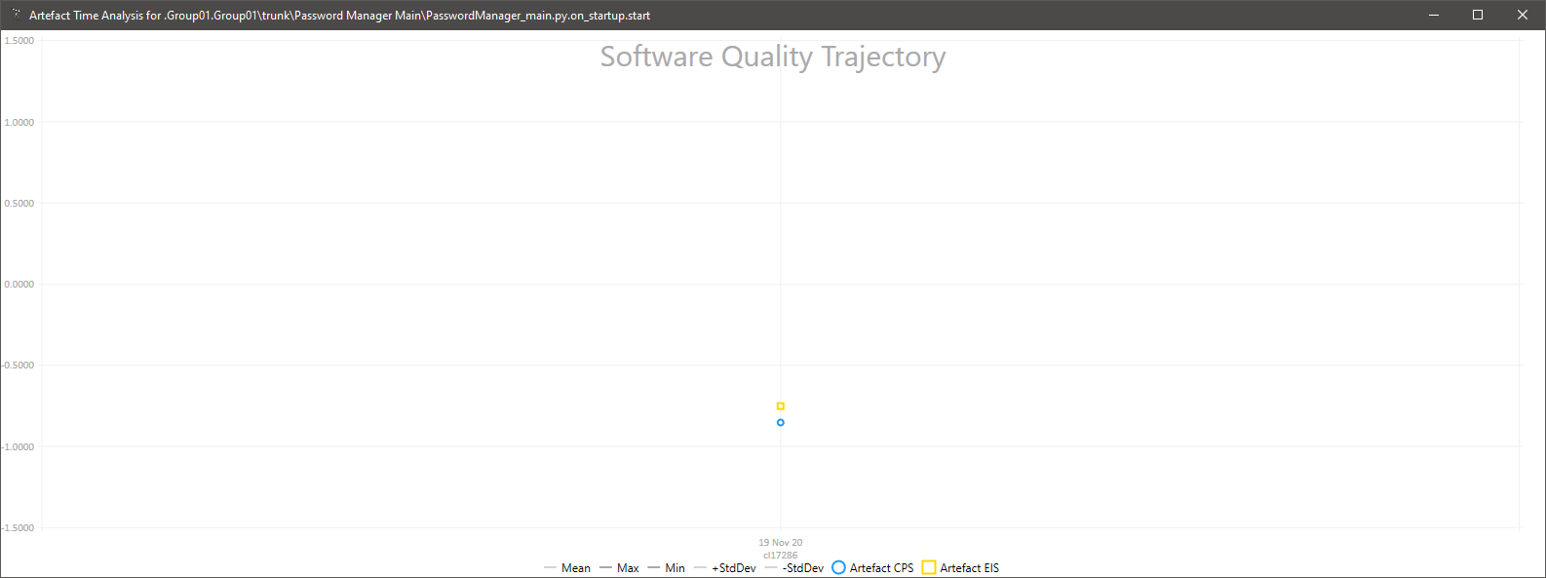

Effective Improvement Scores Since Last Report |  |  |  | Star Chart
Artefact | EIS | By | On
.Group01.Group01\trunk\Password Manager Main\PasswordManager_main.py.on_startup.start | -1.2458548049 | cl17286 | 15:32
.Group01.Group01\trunk\Password Manager Main\PasswordManager_main.py.on_startup.start | 0.49440040366 | cl17286 | 21:35

Overview
